3.Non-parameter test
 | Independent-Samples Mann-Whitney U Test Summary

 | MTTC | Clear vs. Rain |  |  |  |  | SPDRF | Clear vs. Rain |  |  |  | DRAC | Clear vs. Rain

 | Total N | 1004 |  |  |  |  | Total N | 157 |  |  |  | Total N | 1025
U | Mann-Whitney U | 197118.000 |  |  |  | U | Mann-Whitney U | 1856.000 |  |  | U | Mann-Whitney U | 91309.000
 | Wilcoxon W | 237873.000 |  |  |  |  | Wilcoxon W | 2181.000 |  |  |  | Wilcoxon W | 142669.000
 | Test Statistic | 197118.000 |  |  |  |  | Test Statistic | 1856.000 |  |  |  | Test Statistic | 91309.000
 | Standard Error | 4142.660 |  |  |  |  | Standard Error | 208.447 |  |  |  | Standard Error | 4391.902
Z | Standardized Test Statistic | 22.850 |  |  |  | Z | Standardized Test Statistic | 0.988 |  |  | Z | Standardized Test Statistic | -4.893
P | Asymptotic Sig.(2-sided test) | <.001 |  |  |  | P | Asymptotic Sig.(2-sided test) | 0.323 |  |  | P | Asymptotic Sig.(2-sided test) | <.001

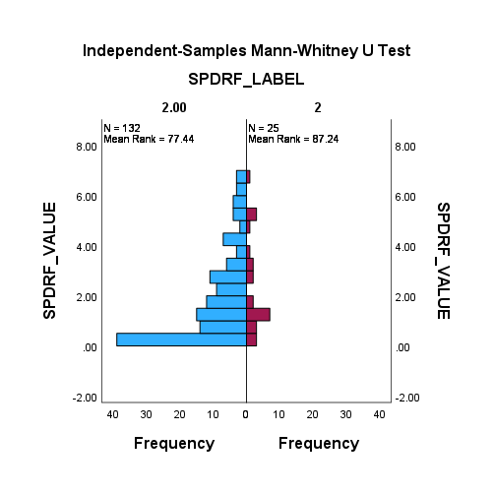
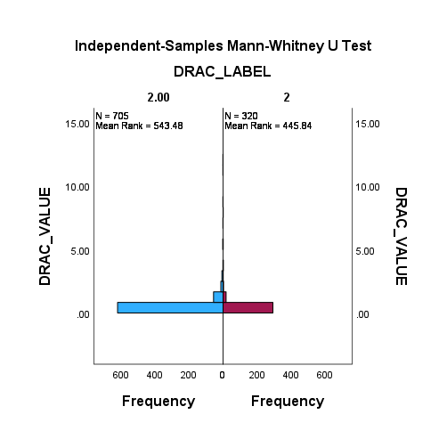
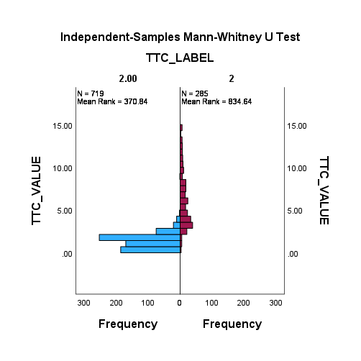

 | Descriptives |  |  |  |  | Descriptives |  |  |  |  |  | Descriptives
 |  |  |  | Statistic | Std. Error |  |  |  | Statistic | Std. Error |  |  |  |  | Statistic | Std. Error
 | Clear_TTC | Mean |  | 0.5967 | 0.01852 | Clear_SPDRF | Mean |  | 0.2185 | 0.01440 |  | Clear_DRAC | Mean |  | 0.0860 | 0.00234
 |  | 95% Confidence Interval for Mean | Lower Bound | 0.5602 |  |  | 95% Confidence Interval for Mean | Lower Bound | 0.1888 |  |  |  | 95% Confidence Interval for Mean | Lower Bound | 0.0814
 |  |  | Upper Bound | 0.6332 |  |  |  | Upper Bound | 0.2482 |  |  |  |  | Upper Bound | 0.0906
 |  | 5% Trimmed Mean |  | 0.5888 |  |  | 5% Trimmed Mean |  | 0.2195 |  |  |  | 5% Trimmed Mean |  | 0.0864
 |  | Median |  | 0.4994 |  |  | Median |  | 0.2290 |  |  |  | Median |  | 0.0856
 |  | Variance |  | 0.098 |  |  | Variance |  | 0.005 |  |  |  | Variance |  | 0.002
 |  | Std. Deviation |  | 0.31273 |  |  | Std. Deviation |  | 0.07200 |  |  |  | Std. Deviation |  | 0.04190
 |  | Minimum |  | 0.02 |  |  | Minimum |  | 0.10 |  |  |  | Minimum |  | 0.00
 |  | Maximum |  | 1.22 |  |  | Maximum |  | 0.32 |  |  |  | Maximum |  | 0.16
 |  | Range |  | 1.20 |  |  | Range |  | 0.22 |  |  |  | Range |  | 0.16
 |  | Interquartile Range |  | 0.53 |  |  | Interquartile Range |  | 0.13 |  |  |  | Interquartile Range |  | 0.07
 |  | Skewness |  | 0.465 | 0.144 |  | Skewness |  | -0.309 | 0.464 |  |  | Skewness |  | -0.032 | 0.136
 |  | Kurtosis |  | -1.011 | 0.288 |  | Kurtosis |  | -1.389 | 0.902 |  |  | Kurtosis |  | -1.005 | 0.272
 | Rain_TTC | Mean |  | 6.2086 | 0.19730 | Rain_SPDRF | Mean |  | 2.3023 | 0.36987 |  | Rain_DRAC | Mean |  | 0.3306 | 0.03865
 |  | 95% Confidence Interval for Mean | Lower Bound | 5.8202 |  |  | 95% Confidence Interval for Mean | Lower Bound | 1.5390 |  |  |  | 95% Confidence Interval for Mean | Lower Bound | 0.2545
 |  |  | Upper Bound | 6.5969 |  |  |  | Upper Bound | 3.0657 |  |  |  |  | Upper Bound | 0.4066
 |  | 5% Trimmed Mean |  | 6.0543 |  |  | 5% Trimmed Mean |  | 2.1860 |  |  |  | 5% Trimmed Mean |  | 0.2305
 |  | Median |  | 5.5802 |  |  | Median |  | 1.3644 |  |  |  | Median |  | 0.1337
 |  | Variance |  | 11.094 |  |  | Variance |  | 3.420 |  |  |  | Variance |  | 0.478
 |  | Std. Deviation |  | 3.33082 |  |  | Std. Deviation |  | 1.84935 |  |  |  | Std. Deviation |  | 0.69139
 |  | Minimum |  | 0.14 |  |  | Minimum |  | 0.14 |  |  |  | Minimum |  | 0.00
 |  | Maximum |  | 14.89 |  |  | Maximum |  | 6.88 |  |  |  | Maximum |  | 8.24
 |  | Range |  | 14.75 |  |  | Range |  | 6.73 |  |  |  | Range |  | 8.24
 |  | Interquartile Range |  | 4.74 |  |  | Interquartile Range |  | 2.39 |  |  |  | Interquartile Range |  | 0.33
 |  | Skewness |  | 0.701 | 0.144 |  | Skewness |  | 0.944 | 0.464 |  |  | Skewness |  | 7.034 | 0.136
 |  | Kurtosis |  | -0.274 | 0.288 |  | Kurtosis |  | -0.031 | 0.902 |  |  | Kurtosis |  | 66.074 | 0.272

